
 |  |  |  | CODE: |  |  | PL1273 ab SN from 98L10
DESCRIPTION: |  | DRIVE AND BRAKE |  | ANTRIEBS- UND BREMS | TRACTION ET FREIN | TRACCIÓN Y FRENO | TRAZIONE-FRENO
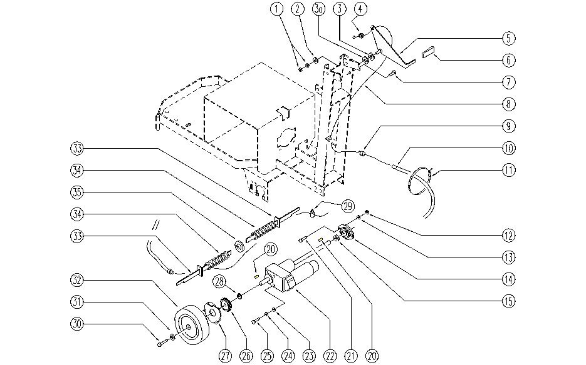

REF. | CODE | DESCRIPTION | QT
1 | E86701 | Nut M6 | 2
2 | E86427 | Washer for AS20 | 1
3 | E86490 | AS20 Washer | 1
3a | SL06040 | WASHER | 1
4 | SL07236 | BUSHING / BUSH | 1
5 | SL09637 | LEVER | 1
6 | E86450 | Tank Support Handle | 1
7 | SL04235 | SCREW | 1
8 | SL14095 | CABLE | 1
9 | SL07231 | BUSHING / BUSH | 2
10 | SL14173 | SHEATH | 1
11 | E86460 | Cable tie 12" | 1
12 | E86853 | Nyloc Hex Nut, M8 Zinc | 2
13 | E86726 | Washer | 2
14 | E86627 | Y - Support Bearing Included | 1
15 | E86626 | Spacer for Bearing | 1
20 | E89203 | Key | 2
21 | E89159 | Screw for front cover of Foreman28 | 2
22 | E86610 | Driving Gear Motor | 1
23 | E86707 | Cham Washer D10 | 4
24 | E86700 | Cham Washer D6 | 4
25 | E86366 | screw WS20 | 4
26 | SL12011 | WHEEL / SMALL WHEEL | 2
27 | SL09660 | FLANGE | 2
28 | SL11094 | RING | 2
29 | E86990 | Terminal D.5,5-2 L7 with Dowel | 2
30 | E86540 | AS20 Screw M8x10 | 2
31 | E86878 | Washer | 2
32 | E86625 | Wheel | 2
33 | SL09638 | ROD | 2
34 | E86410 | Squeegee Spring | 2
35 | E86855 | Washer | 1

